Magnification & FOV
 | Camera Magnification |  | Effective Objective Magnification Use this when the focal length of the tube lens in your microscope is not equal to the focal length of the design tube lens of the objective. |  | Manufacturer | Tube Lens Focal Length
These examples demonstrate how to calculate the magnification and the field of view of several types of optical systems. | Magnification of Objective | 20.00 |  |  | Leica | 200 mm
 | Magnification of Camera Tube | 0.75 | Design Magnification of Objective (Printed on Objective) | 20.00 | Mitutoyo | 200 mm
For additional details on the calculations performed here, please see this webpage: |  |  | Focal Length of Tube Lens in Microscope, in mm (See Table to the Right) | 200.00 | Nikon | 200 mm
 | Magnification at the Camera | 15.00 | Focal Length of Design Tube Lens of Objective, in mm (See Table to the Right) | 180.00 | Olympus | 180 mm
https://www.thorlabs.com/newgrouppage9.cfm?objectgroup_ID=8564&tabname=Magnification%20%26%20FOV |  |  |  |  | Thorlabs | 200 mm
 | Trinocular Magnification |  | Effective Objective Magnification | 22.22 | Zeiss | 165 mm
 | Magnification of Objective | 20.00
Inputs (These Can be Changed) | Magnification of Trinocular Eyepieces | 10.00 | 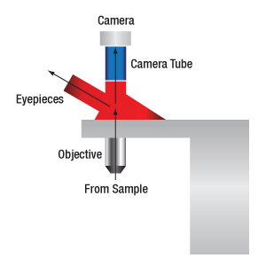 |  | 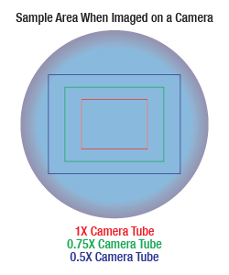
Outputs (Do Not Change These)
 | Magnification at the Trinoculars | 200.00

 | Sample Area When Imaged on a Camera
 | Camera Sensor Width, in mm | 8.98
 | Camera Sensor Height, in mm | 6.71
 | Magnification at the Camera (See Camera Magnification, Above) | 15.00
 |  |  | When viewing an image with a camera, the system magnification is the product of the objective and camera tube magnifications. When viewing an image with trinoculars, the system magnification is the product of the objective and eyepiece magnifications.
 | Sample Height, in µm | 598.67
 | Sample Width, in µm | 447.33

